2009
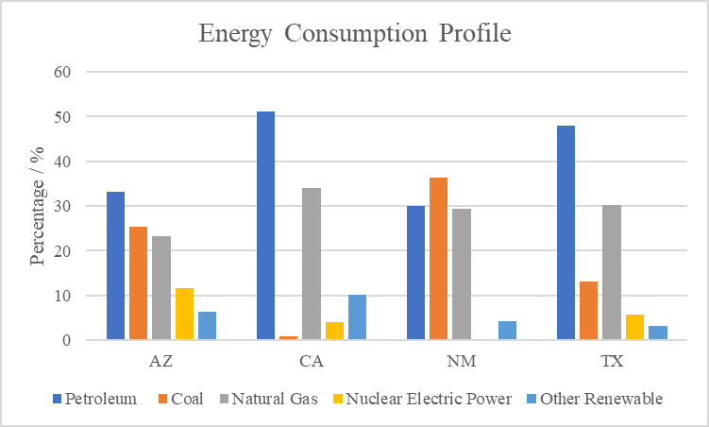
Oil | Coal | Natural Gas | Nuclear Power | Other | sum |  | Petroleum | Coal | Natural Gas | Nuclear Electric Power | Other Renewable | sum
540273.3481 | 413259.9226 | 376674.7907 | 189574.39459 | 103493.2854 | 1623275.7414 | AZ | 33.282906553 | 25.458393301 | 23.204609118 | 11.678508448 | 6.3755825804 | 100
3590000.286 | 52403.09775 | 2391376.808 | 282158.33932 | 712704.4602 | 7028642.9913 | CA | 51.076719794 | 0.74556493786 | 34.023307358 | 4.0144070438 | 10.140000866 | 100
251452.5473 | 306161.5315 | 247119.5569 | 0 | 35635.38371 | 840369.01941 | NM | 29.921682201 | 36.431796559 | 29.40607652 | 0 | 4.2404447198 | 100
5512412.546 | 1497854.311 | 3462210.402 | 648446.99053 | 356634.8206 | 11477559.07 | TX | 48.027742766 | 13.050286231 | 30.165041023 | 5.6496942126 | 3.107235767 | 100

Energy Consumption Profile
Energy Consumption Profile

